Price List
 |  | Indicative price list
3/ Works costs
Roads | Cost [€/m²] |  | Civil engineering machinery |  |  |  |  | Quantity unit | Consumption [ l/unit] | Greenhouse Gas emissions [kg CO2e/unit]
gravel track | 17 |  | ↓ Machinery | Yield | unit | Daily cost [€/hours] | unit
asphalt track | 50 |  | Excavator (7.5 to 10 T) | 200 | t/day | 520 | €/day | working day | 54 | 170.91
concrete track | 80 |  | Excavator (10 to 25 T) | 400 | t/day | 720 | €/day | working day | 72 | 227.88
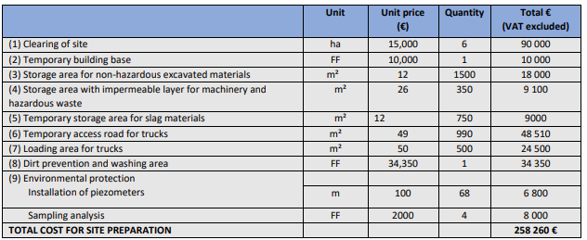
Other |  |  | Excavator (25 to 35 T) | 750 | t/day | 800 | €/day | working day | 84 | 265.86
 |  |  | Excavator (35 to 50 T) | 1000 | t/day | 920 | €/day | working day | 96 | 303.84
Material type for storage area | Supply and laying price [€/m²] |  | Excavator (>50 T) | 1500 | t/day | 1080 | €/day | working day | 108 | 341.82
concrete | 100 |  | Dumper on tracks | 250 | t/day | 800 | €/day | working day | 180 | 569.7
gravel | 10 |  | Dumper on wheels | 250 | t/day | 760 | €/day | working day | 120 | 379.8
natural | 5 |  | Bulldozer | 2250 | t/day | 800 | €/day | working day | 90 | 284.85
watertighness | 20 |  | Loader | 1250 | t/day | 640 | €/day | working day | 60 | 189.9
geotextile | 2 |  |  |  |  |  |  |  |  | 0
rainwater collection and treatment | 50 |  | Compactor | 3000 | m²/day | 640 | €/day | working day | 48 | 151.92
 |  |  | Bobcat | 125 | t/day | 600 | €/day | working day | 48 | 151.92
Clearing (Trees) | Cost [€/m²] |  | Truck equipped with lifting gear | 25 | t/travel | 694.08 | €/day | working day | 90 | 284.85
none | 0 |  | Mobilization/demobilization Bull / Excavator |  |  | 350 | unit | unit |  | 0
not very dense | 1.5 |  | Semi-trailer truck (articulated vehicle: tractor + semi) | 25 | t/travel | 560 | €/day | working day | 120 | 379.8
dense | 3 |  | Agricultural tractor + tipper | 15 | t/travel | 600 | €/day | working day | 90 | 284.85
 |  |  | Sorting and screening of materials from the site | ? | m³/day | 2 | €/m³ | m³ | 0.053 | 0.1688
Fences | Cost [€/m] |  | Crushing and screening | ? | m³/day | 10 | €/m³ | m³ | 0.107 | 0.3376
Wood | 26 |  | … |  |  |  |  |  |  | 0
Barbwire | 6 |  | … |  |  |  |  |  |  | 0
Metal | 44 |  | … |  |  |  |  |  |  | 0
 |  |  | … |  |  |  |  |  |  | 0
Piezometers | [€/ m depth]
 | 100

Post works |  | Unit
topsoil | 3,8 | [€/m²] (25cm thickness)
replantation of native species | 1 | [€/m²]
Groundwater monitoring | 2000 | [€] (per groundwater sample)

Staff costs | Cost [€/h]
Maneuver | 40
Leader | 55
Foreman | 62
Geometer | 65
Skilled worker Q1 | 48
Skilled worker Q2 | 50

Elimination costs | Cost [€/h]
Maneuver | 40
Leader | 55
Foreman | 62
Geometer | 65
Skilled worker Q1 | 48
Skilled worker Q2 | 50

